Cap2020-2023
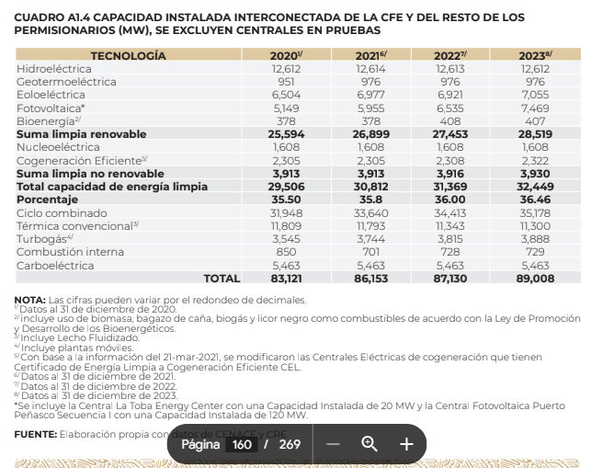
Cuadro A1.4 Capacidad instalada interconectada de la CFE y del resto de los permisionarios (MW), se excluyen centrales en pruebas
Tecnología | 2020 | 2021 | 2022 | 2023
Hidroeléctrica | 12,612 | 12,614 | 12,613 | 12,612
Geotermoeléctrica | 951 | 976 | 976 | 976
Eoloeléctrica | 6,504 | 6,977 | 6,921 | 7,055
Fotovoltaica | 5,149 | 5,955 | 6,535 | 7,469
Bioenergía | 378 | 378 | 408 | 407
Suma limpia renovable | 25,594 | 26,900 | 27,453 | 28,519
Nucleoelectrica | 1,608 | 1,608 | 1,608 | 1,608
Cogeneración eficiente | 2,305 | 2,305 | 2,308 | 2,322
Suma limpia no renovable | 3,913 | 3,913 | 3,916 | 3,930
Total capacidad de energía limpia | 29,507 | 30,813 | 31,369 | 32,449
Porcentaje | 35.50% | 35.77% | 36.00% | 36.46%
Ciclo combinado | 31,948 | 33,640 | 34,413 | 35,178
Termica convencional | 11,809 | 11,793 | 11,343 | 11,300
Turbogas | 3,545 | 3,744 | 3,815 | 3,888
Combsutión interna | 850 | 701 | 728 | 729
Carboeléctrica | 5,463 | 5,463 | 5,463 | 5,463
Total | 83,122 | 86,154 | 87,131 | 89,007

BNE23
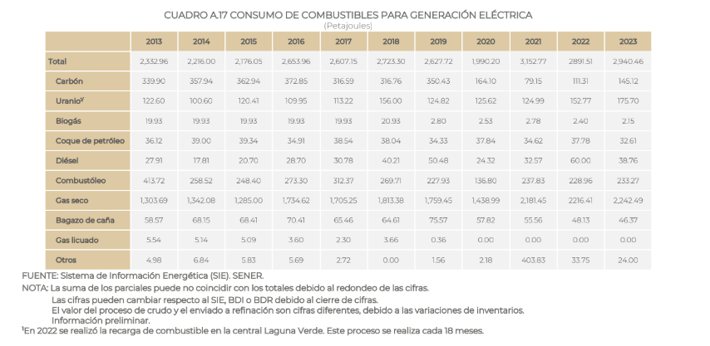
 |  |  |  |  | 2022 | 2023
 |  |  |  | Carbón | 111.31 | 145.12
 |  |  |  | Uranio | 152.77 | 175.70
 |  |  |  | Biogas | 2.4 | 2.15
 |  |  |  | Coque de petroleo | 37.78 | 32.61
 |  |  |  | Diesel | 60 | 38.76
 |  |  |  | Combustoleo | 228.96 | 233.27
 |  |  |  | Gas seco | 2216.41 | 2242.49
 |  |  |  | Bagazo de caña | 48.13 | 46.37
 |  |  |  | Gas licuado | 0 | 0
 |  |  |  | Otros | 33.75 | 24.00

Ciclo combinado
Gas seco | 1531.81
Termoeléctrica convencional
Coque de petróleo | 34.62
Combustóleo | 193.22
Gas seco | 103.72
Turbogás
GLP | 0
Diésel | 29.2
Gas seco | 137.15
Combustión Interna
Biogás | 2.71
Diésel | 3.07 | 60 | 38.76
Gas seco | 23.01

